api_appointments
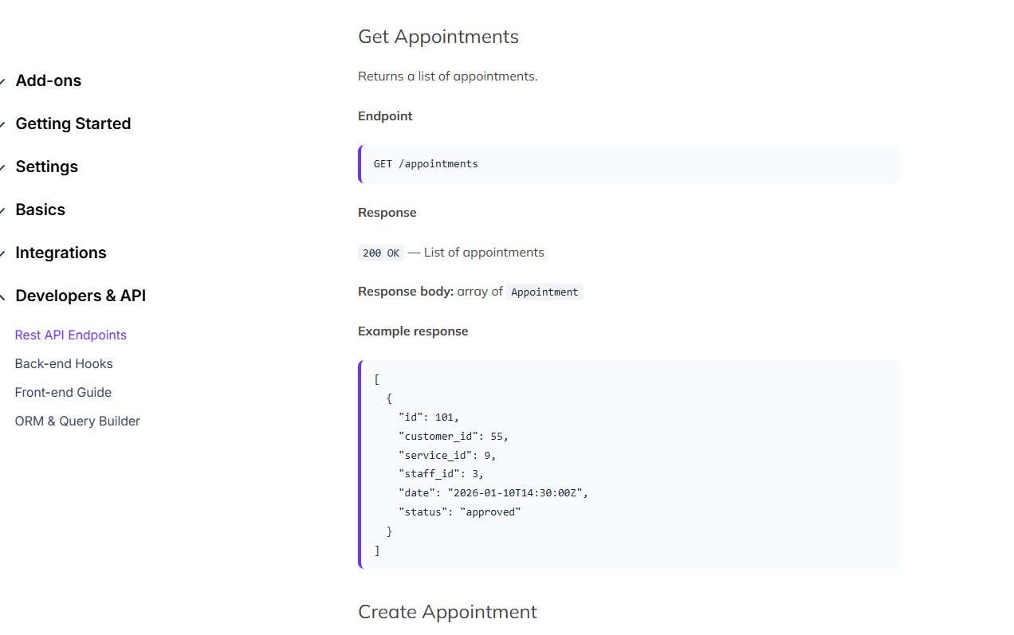
https://www.booknetic.com/documentation/booknetic-rest-api

v_barbers_performance
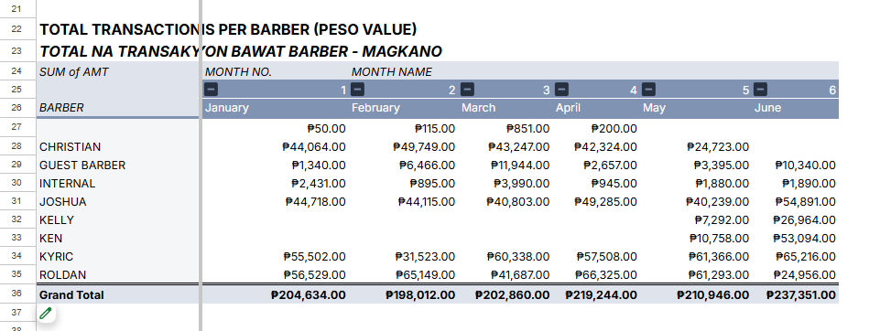
Total Transactions per barber
Field name | Data Type | Field Description | References
barber_id | String | barber id from bph_barbers | Summarize monthly basis from bph_sales
barber_name | String | barber name from bph_barbers
field~n | Decimal | - dynamic populate of fields, from field1, field2…field~n - total headcount of sales per month on assigned barber - each field1 will be changed to period-year (Ex. Field1 = 01-2024, field2 = 02-2024)

Ex.
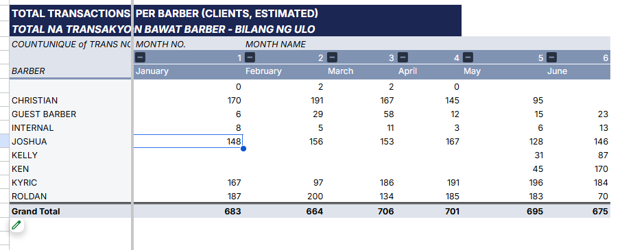

Total Transactions per barber (IN PESO) |  |  |  | Detailed Breakdown per barber IN PESO
Field name | Data Type | Field Description | References | Field name | Data Type | Field Description | References
barber_id | String | barber id from bph_barbers | Summarize monthly basis from bph_sales | barber_id | String | barber id from bph_barbers | Summarize monthly basis from bph_sales
barber_name | String | barber name from bph_barbers |  | barber_name | String | barber name from bph_barbers
field~n | Decimal | - dynamic populate of fields, from field1, field2…field~n - total sales per month on assigned barber - each field1 will be changed to period-year (Ex. Field1 = 01-2024, field2 = 02-2024) |  | date | Date | If a period/bucket selected, breakdown each dates under that month (For example, 01-2024 selected, retrieve all sales from Jan 1-31 or whatever barber is present within that period)
 |  |  |  | amount | Decimal | amount per date
 |  |  |  | commission_amount | Decimal | get the commission assigned to barber, deduct amount - comission perctg

